Sheet1
ARMANI EXCHANGE
MENS JACKET

SIZE & COLOUR BREAKDOWN
STYLE NO | IMAGE | SIZE |  |  |  |  |  | TOTAL QTY | RRP | TOTAL RRP
 |  | XS | S | M | L | XL | XXL
6GZB05-ZNHYZ-5427 | 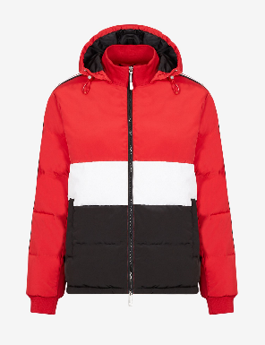 | 80 | 424 | 660 | 590 | 360 | 155 | 2269 | £240.00 | £544,560.00
6GZB06-ZNQSZ-6128 | 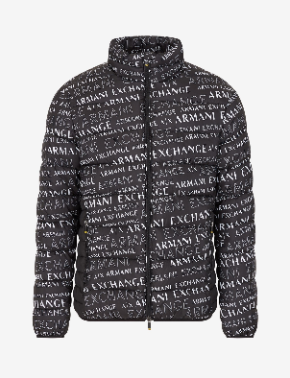 | 100 | 340 | 393 | 185 | 10 | 0 | 1028 | £200.00 | £205,600.00
6GZB06-ZNQSZ-5442 | 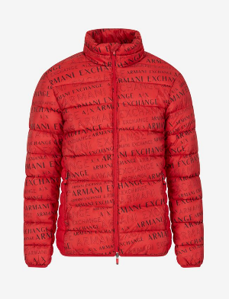 | 50 | 113 | 140 | 100 | 30 | 10 | 443 | £200.00 | £88,600.00
6GZB05-ZNHYZ-5291 | 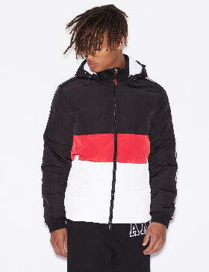 | 20 | 60 | 20 | 10 | 0 | 0 | 110 | £240.00 | £26,400.00
6GZB05-ZNHYZ-1510 | 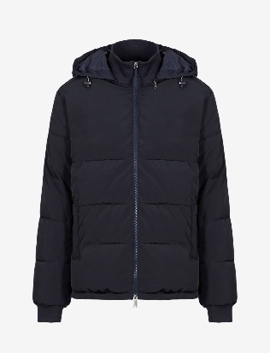 | 0 | 14 | 4 | 9 | 10 | 0 | 37 | £200.00 | £7,400.00
 |  |  |  |  |  |  |  | 3887 |  | £872,560.00

